Module
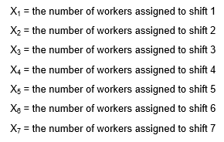

 | Month On = 1, Month Off = 0 |  |  |  |  |  |  |  |  |  |  |  | Workers Scheduled | Wages per Worker
Shift | 1 | 2 | 3 | 4 | 5 | 6 | 7 | 8 | 9 | 10 | 11 | 12 |  |  | Duration | Monthly
The Gooey Guild | 0 | 1 | 1 | 1 | 0 | 0 | 0 | 0 | 0 | 0 | 0 | 0 | 185 | $33,351 | 3 | $11,117
Caramel Caper | 0 | 0 | 0 | 0 | 1 | 1 | 0 | 0 | 0 | 0 | 0 | 0 | 108 | $22,492 | 2 | $11,246
Suckerpunch Sweets | 0 | 0 | 0 | 0 | 0 | 0 | 1 | 1 | 1 | 0 | 0 | 0 | 0 | $36,117 | 3 | $12,039
The Candy Cauldron | 1 | 0 | 0 | 0 | 0 | 0 | 0 | 0 | 0 | 0 | 0 | 1 | 71 | $19,844 | 2 | $9,922
Sweet Whirlwind | 0 | 0 | 0 | 0 | 0 | 0 | 0 | 0 | 1 | 1 | 1 | 0 | 279 | $30,246 | 3 | $10,082
Full Time | 1 | 1 | 1 | 1 | 1 | 1 | 1 | 1 | 1 | 1 | 1 | 1 | 436 | $106,812 |  | $106,812
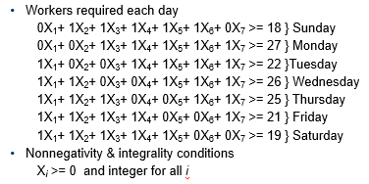
Available | 507 | 621 | 621 | 621 | 544 | 544 | 436 | 436 | 715 | 715 | 715 | 507
Required | 293 | 402 | 555 | 621 | 544 | 401 | 335 | 422 | 599 | 715 | 668 | 507 | Total -> | $65,016,661

 |  |  |  | agency | beginning_month_of_service | duration_of_service
 |  |  |  | The Gooey Guild | 2 | 3 |  |  |  |  |  |  | 348.8
 |  |  |  | Caramel Caper | 5 | 2
 |  |  |  | Suckerpunch Sweets | 7 | 3
 |  |  |  | The Candy Cauldron | 12 | 2
 |  |  |  | Sweet Whirlwind | 9 | 3

Estimated Foot Traffic
Foot Traffic
month | foot_traffic
1 | 293
2 | 402
3 | 555
4 | 621
5 | 544
6 | 401
7 | 335
8 | 422
9 | 599
10 | 715
11 | 668
12 | 507

